Test-case.xls
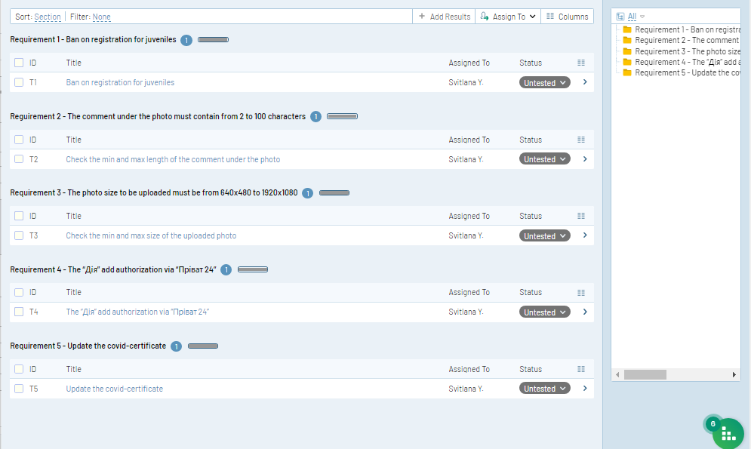
ID | Title | Created By | Created On | Estimate | Preconditions | Priority | Enviroment | Section | Steps (Step) | Steps (Expected Result) | Suite | Suite ID | Template | Type | Updated By | Updated On
C1 | Ban on registration for juveniles | Svitlana Yehorova | 10/24/2022 11:43 PM | 1200s | The website https://rozetka.com.ua/ua/ was opened in browser Chrome | High | Browser Chrome, 107.0.5304.107 | Requirement 1 - Ban on registration for juveniles | 1. Open the user registration page 2. Fill the field "Name" was entered 3. The field "Date of birth" was entered invalid datе, ex. tomorrow's date minus 18 years | 1. Page registration was opened 2. The Field "Name" was entered 3. The message, that a user who is over 18 years old can register was appeared | Master | S1 | Test Case (Steps) | Functional | Svitlana Yehorova | 10/25/2022 12:01 AM
C3 | Check the min and max length of the comment under the photo | Svitlana Yehorova | 10/25/2022 12:15 AM | 1200s | The page with the photo was opened. | High | OS Android 9 PKQ1.190319.001 | Reguirement 2 - The comment under the photo must contain from 2 to 100 characters | 1. Enter one character 2. Enter two characters 3. Enter 100 characters 4. Enter 101 characters | 1. The message was appeared "The minimum number of characters is two" 2. The comment was appeared under the photo 3. The comment was appeared under the photo 4. The message was appeared "The max number of characters is 100" | Master | S1 | Test Case (Steps) | Functional | Svitlana Yehorova | 10/25/2022 12:15 AM
C4 | Check the min and max size of the uploaded photo | Svitlana Yehorova | 10/25/2022 12:18 AM | 900s | The page with uploaded photos was opened. | High | OS Android 9 PKQ1.190319.001 | Requirement 3 - The photo size to be uploaded must be from 640x480 to 1920x1080 | 1. Upload the photo with 620x460 size 2. Upload the photo with 640x479 size 3. Upload the photo with 639x480 size 5. Upload the photo with 640x480 size 6. Upload the photo with 700x500 size 7. Upload the photo with 1920x1080 sizee 8. Upload the photo with 1919x1080 size 9. Upload the photo with 1920x1081 size | 1. The message "The min size of photo is 640x480" was appeared 2. The message "The min size of photo is 640x480" was appeared 3. The message "The min size of photo is 640x480" was appeared 4. The message "The min size of photo is 640x480" was appeared 5. The photo was uploaded 6. The photo was uploaded 7. The photo was uploaded 8. The message "The max size of photo is 1920x1080" was appeared 9. The message "The max size of photo is 1920x1080 was appeared | Master | S1 | Test Case (Steps) | Functional | Svitlana Yehorova | 10/25/2022 12:21 AM
C5 | The “Дія” add authorization via “Пріват 24” | Svitlana Yehorova | 10/25/2022 12:24 AM | 2400s | The “Дія” add was set and opened in the device. The “Пріват 24” add was set and logged in the device | High | OS Android 9 PKQ1.190319.001 | Requirement 4 - The “Дія” add authorization via “Пріват 24” | 1. Put a check mark in the check box at the bottom of the page 2. Click on the "Пріват 24" item 3. Enter the correct password 4. Clicking the "Продовжити" button 5. Clicking the authorization button 6. Clicking the "Далі" button 7. Enter the correct password 8. Enter this password again | 1. The marker was appeared 2. The "Пріват 24" item was clicked and the "Пріват 24" registration page was opened 3. The correct password was entered 4. The "Продовжити" button was clicked and the authorization confirmation page was opened 5. The authorization button was clicked and the window with successful registration was appeared 6. The "Далі" button was clicked and the password page for the "Дія" app was opene 7. The correct password was entered 8. New user is successfully registered and logged in | Master | S1 | Test Case (Steps) | Functional | Svitlana Yehorova | 10/25/2022 12:29 AM
C6 | Update the covid-certificate | Svitlana Yehorova | 10/25/2022 12:31 AM | 2400s | The home page add was opened on the device. | High | OS Android 9 PKQ1.190319.001 | Requirement 5 - Update the covid-certificate | 1. Сlick services item at the bottom of the page 2. Сlick on the covid-certificate item 3. Clicking the "Далі" button 4. Put a check mark in the "Вакцинація" check boxes 5. Put a check mark in the "Внутрішній сертификат" check boxes 6. Put a check mark in the check box at the bottom of the page 7. Clicking the "Надіслата" button 8. Exit the application 9. Entering the add | 1. The services item was clicked and the services page was opened 2. The page with greeting was opened 3. The "Далі" button was clicked 4. The marker was appeared 5. The marker was appeared 6. The marker was appeared 7. The "Надіслата" button was clicked and the a window confirming that the request has been sent successfully was appeared 8. The add was closed 9. The second covid-certificate was appeared | Master | S1 | Test Case (Steps) | Functional | Svitlana Yehorova | 10/25/2022 12:37 AM

